Sheet1
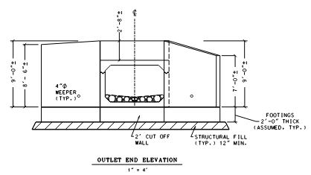
 | Upstream Elevations |  |  | DownStream Elevations

Top of wing and Curb Elevation |  | 517.95 | Top of wing and Curb Elevation |  | 516.2
Top of Culvert elevation |  | 515.95 | Top of Culvert elevation |  | 514.2
Curb Wall Height |  | 2 | Curb Wall Height |  | 2
Top Thickness |  | 1 | Top Thickness |  | 1
culvert height |  | 6 | culvert height |  | 6
Depth of embedment |  | 0.75 | Depth of embedment |  | 0.75
invert elevation |  | 508.95 | invert elevation |  | 507.2
Bottom Cul Thickness |  | 0.66666 | Bottom Cul Thickness |  | 0.66666
cut off wall depth |  | 2 | cut off wall depth |  | 2
Structural fill Depth |  | 1 | Structural fill Depth |  | 1

Curb and Cut wall Elevations |  | 515.95 | Curb and Cut wall Elevations |  | 514.2
Culvert Height Top to Bottom |  | 7.66666 | Parametric for Cut wall below top |  | 7.66666

 |  |  | Wing Profile Elevation |  | 506.53334
Wall height at Culvert |  | 9.66666 | Wall height at Culvert |  | 9.66666

